MASTER LIST
 |  |  |  |  |  | RENEWAL JIG FIXTURE & PROCESS EQUIPMENT |  |  |  |  |  |  |  | Approved | Checked | Prepared

 |  |  |  |  |  | DESIGN MASTER LIST
 |  |  |  |  |  | Department : Process Engineering Section : PE - Machining |  |  |  |  | Doc Date : 05/11/25 Rev: |  |  | Rahmat K. | M. Fariedl | Azka A.
No | Line/ Product | Process | Type | No.Item /Assy | Assy/Part Name |  | No. Reg | Qty | Design Date |  | Rev Status | Doc. Location |  | New Visual Design
 |  |  |  |  |  |  |  |  | Last | New |  | 2D | 3D
1 | Auto Assy Steering Stem | OP#1 (PressFit) | JF | 00 | Full Assy |  | TXMACH-ASAU010000 | N/A | 2017-12-07 | 2025-11-09 | 1 | ..\01. Design\001. Auto Assy Steering Stem\A - OP 1 ( Press Fit )\3. PDF\REV-TXMACH-ASAU010000 JIG OP1 PRESSFIT AUTO ASSY STEERING STEM.PDF | ..\01. Design\001. Auto Assy Steering Stem\A - OP 1 ( Press Fit )\1. 3D Model\FULL ASSY | 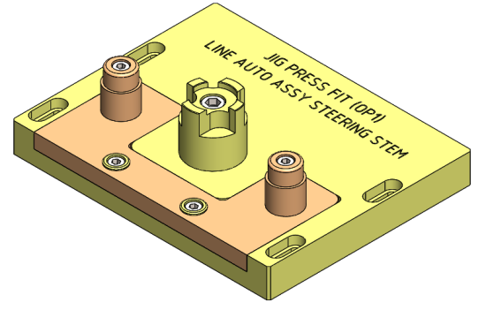
 | Auto Assy Steering Stem | OP#1 (PressFit) | JF | 01 | Sub Assy 1 : |  | TXMACH-ASAU010100 | 1set | 2017-12-07 | 2025-11-09 | 1 | ..\01. Design\001. Auto Assy Steering Stem\A - OP 1 ( Press Fit )\3. PDF\REV-TXMACH-ASAU010000 JIG OP1 PRESSFIT AUTO ASSY STEERING STEM.PDF | ..\01. Design\001. Auto Assy Steering Stem\A - OP 1 ( Press Fit )\1. 3D Model\SUB ASSY 1 | 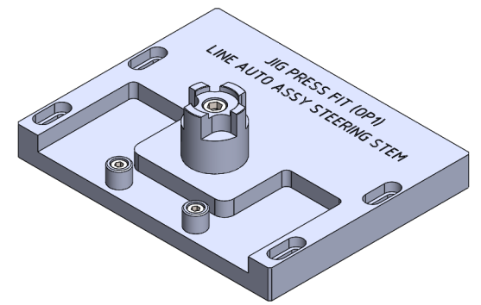
 | Auto Assy Steering Stem | OP#1 (PressFit) | JF | 1.1 | a. Base Plate |  | TXMACH-ASAU010101 | 1 | 2017-12-07 | 2025-11-09 | 1 | ..\01. Design\001. Auto Assy Steering Stem\A - OP 1 ( Press Fit )\3. PDF\REV-TXMACH-ASAU010000 JIG OP1 PRESSFIT AUTO ASSY STEERING STEM.PDF | ..\01. Design\001. Auto Assy Steering Stem\A - OP 1 ( Press Fit )\1. 3D Model\SUB ASSY 1 | 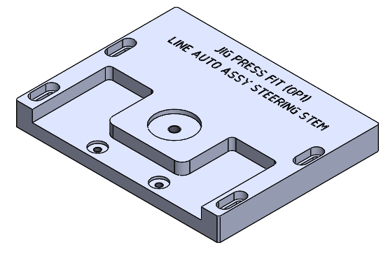
 | Auto Assy Steering Stem | OP#1 (PressFit) | JF | 1.2 | b. Datum |  | TXMACH-ASAU010102 | 1 | 2017-12-07 | 2025-11-09 | 1 | ..\01. Design\001. Auto Assy Steering Stem\A - OP 1 ( Press Fit )\3. PDF\REV-TXMACH-ASAU010000 JIG OP1 PRESSFIT AUTO ASSY STEERING STEM.PDF | ..\01. Design\001. Auto Assy Steering Stem\A - OP 1 ( Press Fit )\1. 3D Model\SUB ASSY 1 | 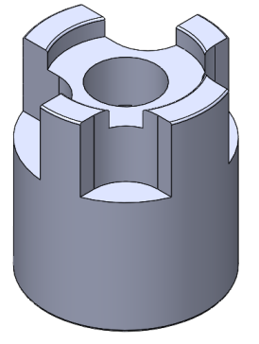
 | Auto Assy Steering Stem | OP#1 (PressFit) | JF | 1.3 | c. Pin Positioning |  | TXMACH-ASAU010103 | 2 | 2017-12-07 | 2025-11-09 | 1 | ..\01. Design\001. Auto Assy Steering Stem\A - OP 1 ( Press Fit )\3. PDF\REV-TXMACH-ASAU010000 JIG OP1 PRESSFIT AUTO ASSY STEERING STEM.PDF | ..\01. Design\001. Auto Assy Steering Stem\A - OP 1 ( Press Fit )\1. 3D Model\SUB ASSY 1
 | Auto Assy Steering Stem | OP#1 (PressFit) | JF | 1.4 | d. Baut Inbus |  | M12x1.75 X 50 | 1 | 2017-12-07 | 2025-11-09 | N/A | N/A | N/A | N/A
 | Auto Assy Steering Stem | OP#1 (PressFit) | JF | 1.5 | e. Baut Inbus |  | M8x1.25 X 20 | 2 | 2017-12-07 | 2025-11-09 | N/A | N/A | N/A | N/A
 | Auto Assy Steering Stem | OP#1 (PressFit) | JF | 2A | Sub Assy 2A (K1AL/KZLG) : |  | TXMACH-ASAU012A00 | 1set | 2017-12-07 | 2025-11-09 | 1 | ..\01. Design\001. Auto Assy Steering Stem\A - OP 1 ( Press Fit )\3. PDF\REV-TXMACH-ASAU010000 JIG OP1 PRESSFIT AUTO ASSY STEERING STEM.PDF | ..\01. Design\001. Auto Assy Steering Stem\A - OP 1 ( Press Fit )\1. 3D Model\SUB ASSY 2A (K1AL - KZLG) | 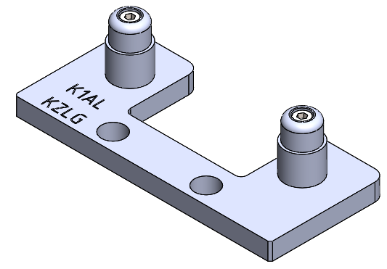
 | Auto Assy Steering Stem | OP#1 (PressFit) | JF | 2.1 | a. Cassete K1AL/KZLG |  | TXMACH-ASAU012A01 | 1 | 2017-12-07 | 2025-11-09 | 1 | ..\01. Design\001. Auto Assy Steering Stem\A - OP 1 ( Press Fit )\3. PDF\REV-TXMACH-ASAU010000 JIG OP1 PRESSFIT AUTO ASSY STEERING STEM.PDF | ..\01. Design\001. Auto Assy Steering Stem\A - OP 1 ( Press Fit )\1. 3D Model\SUB ASSY 2A (K1AL - KZLG)
 | Auto Assy Steering Stem | OP#1 (PressFit) | JF | 2.2 | b. Pin K1AL/KZLG |  | TXMACH-ASAU012A02 | 2 | 2017-12-07 | 2025-11-09 | 1 | ..\01. Design\001. Auto Assy Steering Stem\A - OP 1 ( Press Fit )\3. PDF\REV-TXMACH-ASAU010000 JIG OP1 PRESSFIT AUTO ASSY STEERING STEM.PDF | ..\01. Design\001. Auto Assy Steering Stem\A - OP 1 ( Press Fit )\1. 3D Model\SUB ASSY 2A (K1AL - KZLG)
 | Auto Assy Steering Stem | OP#1 (PressFit) | JF | 2.3 | c. Baut Inbus |  | M8x1.25 X 50 | 2 | 2017-12-07 | 2025-11-09 | N/A | N/A | N/A | N/A
 | Auto Assy Steering Stem | OP#1 (PressFit) | JF | 2B | Sub Assy 2B (K1ALSS/K2FA) : |  | TXMACH-ASAU012B00 | 1set | 2017-12-07 | 2025-11-09 | 1 | ..\01. Design\001. Auto Assy Steering Stem\A - OP 1 ( Press Fit )\3. PDF\REV-TXMACH-ASAU010000 JIG OP1 PRESSFIT AUTO ASSY STEERING STEM.PDF | ..\01. Design\001. Auto Assy Steering Stem\A - OP 1 ( Press Fit )\1. 3D Model\SUB ASSY 2B (K1AL SS - K2FA) | 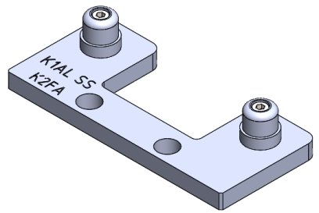
 | Auto Assy Steering Stem | OP#1 (PressFit) | JF | 2.1 | a. Cassete K1ALSS/K2FA |  | TXMACH-ASAU012B01 | 1 | 2017-12-07 | 2025-11-09 | 1 | ..\01. Design\001. Auto Assy Steering Stem\A - OP 1 ( Press Fit )\3. PDF\REV-TXMACH-ASAU010000 JIG OP1 PRESSFIT AUTO ASSY STEERING STEM.PDF | ..\01. Design\001. Auto Assy Steering Stem\A - OP 1 ( Press Fit )\1. 3D Model\SUB ASSY 2B (K1AL SS - K2FA) | 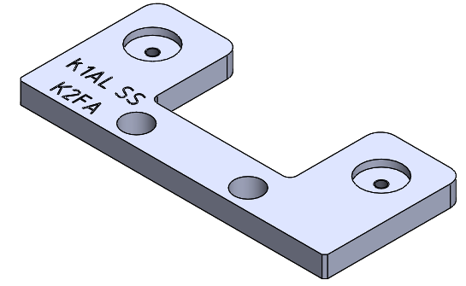
 | Auto Assy Steering Stem | OP#1 (PressFit) | JF | 2.2 | b. Pin K1ALSS/K2FA |  | TXMACH-ASAU012B02 | 2 | 2017-12-07 | 2025-11-09 | 1 | ..\01. Design\001. Auto Assy Steering Stem\A - OP 1 ( Press Fit )\3. PDF\REV-TXMACH-ASAU010000 JIG OP1 PRESSFIT AUTO ASSY STEERING STEM.PDF | ..\01. Design\001. Auto Assy Steering Stem\A - OP 1 ( Press Fit )\1. 3D Model\SUB ASSY 2B (K1AL SS - K2FA)
 | Auto Assy Steering Stem | OP#1 (PressFit) | JF | 2.3 | c. Baut Inbus |  | M8x1.25 X 35 | 2 | 2017-12-07 | 2025-11-09 | N/A | N/A | N/A | N/A
 | Auto Assy Steering Stem | OP#1 (PressFit) | JF | 2C | Sub Assy 2C (K2SA) : |  | TXMACH-ASAU012C00 | 1set | 2017-12-07 | 2025-11-09 | 1 | ..\01. Design\001. Auto Assy Steering Stem\A - OP 1 ( Press Fit )\3. PDF\REV-TXMACH-ASAU010000 JIG OP1 PRESSFIT AUTO ASSY STEERING STEM.PDF | ..\01. Design\001. Auto Assy Steering Stem\A - OP 1 ( Press Fit )\1. 3D Model\SUB ASSY 2C (K2SA) | 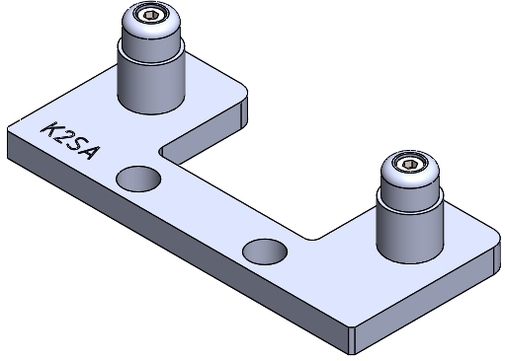
 | Auto Assy Steering Stem | OP#1 (PressFit) | JF | 2.1 | a. Cassete K2SA |  | TXMACH-ASAU012C01 | 1 | 2017-12-07 | 2025-11-09 | 1 | ..\01. Design\001. Auto Assy Steering Stem\A - OP 1 ( Press Fit )\3. PDF\REV-TXMACH-ASAU010000 JIG OP1 PRESSFIT AUTO ASSY STEERING STEM.PDF | ..\01. Design\001. Auto Assy Steering Stem\A - OP 1 ( Press Fit )\1. 3D Model\SUB ASSY 2C (K2SA) | 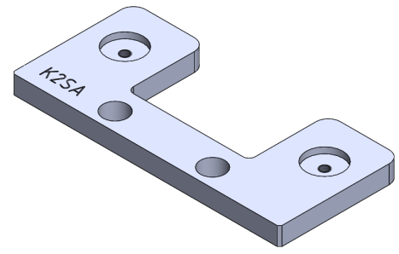
 | Auto Assy Steering Stem | OP#1 (PressFit) | JF | 2.2 | b. Pin K2SA |  | TXMACH-ASAU012C02 | 2 | 2017-12-07 | 2025-11-09 | 1 | ..\01. Design\001. Auto Assy Steering Stem\A - OP 1 ( Press Fit )\3. PDF\REV-TXMACH-ASAU010000 JIG OP1 PRESSFIT AUTO ASSY STEERING STEM.PDF | ..\01. Design\001. Auto Assy Steering Stem\A - OP 1 ( Press Fit )\1. 3D Model\SUB ASSY 2C (K2SA)
 | Auto Assy Steering Stem | OP#1 (PressFit) | JF | 2.3 | c. Baut Inbus |  | M8x1.25 X 50 | 2 | 2017-12-07 | 2025-11-09 | N/A | N/A | N/A | N/A
 | Auto Assy Steering Stem | OP#1 (PressFit) | EQ | EQ1 | Contact Plate |  | TXMACH-ASAU01EQ01 | 1 | N/A | 2025-10-09 | 0 | Y:\16. Jig Fixture & Process Equipment\01. Design\001. Auto Assy Steering Stem\A - OP 1 ( Press Fit )\3. PDF\TXMACH-ASAU01EQ01_CONTACT PLATE_EQ ASSY STEERING STEM AUTO_OP1.PDF | Y:\16. Jig Fixture & Process Equipment\01. Design\001. Auto Assy Steering Stem\A - OP 1 ( Press Fit )\1. 3D Model\PROCESS EQUIPMENT\CONTACT PLATE.SLDPRT | 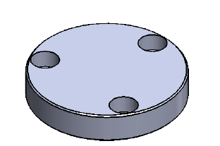
 | Auto Assy Steering Stem | OP#1 (PressFit) | EQ | EQ2 | Spring Plate |  | TXMACH-ASAU01EQ02 | 1 | N/A | 2025-10-09 | 0 | Y:\16. Jig Fixture & Process Equipment\01. Design\001. Auto Assy Steering Stem\A - OP 1 ( Press Fit )\3. PDF\TXMACH-ASAU01EQ02_SPRING PLATE_EQ ASSY STEERING STEM AUTO_OP1.PDF | Y:\16. Jig Fixture & Process Equipment\01. Design\001. Auto Assy Steering Stem\A - OP 1 ( Press Fit )\1. 3D Model\PROCESS EQUIPMENT\SPRING PLATE.SLDPRT | 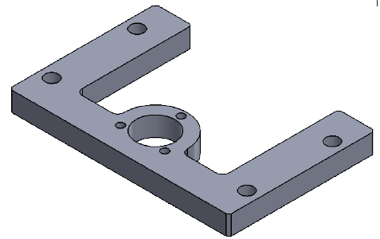
 | Auto Assy Steering Stem | OP#1 (PressFit) | EQ | EQ3 | Shaft Holder |  | TXMACH-ASAU01EQ03 | 1 | N/A | 2025-10-09 | 0 | Y:\16. Jig Fixture & Process Equipment\01. Design\001. Auto Assy Steering Stem\A - OP 1 ( Press Fit )\3. PDF\TXMACH-ASAU01EQ03_SHAFT HOLDER_EQ ASSY STEERING STEM AUTO_OP1.PDF | Y:\16. Jig Fixture & Process Equipment\01. Design\001. Auto Assy Steering Stem\A - OP 1 ( Press Fit )\1. 3D Model\PROCESS EQUIPMENT\SHAFT HOLDER.SLDPRT | 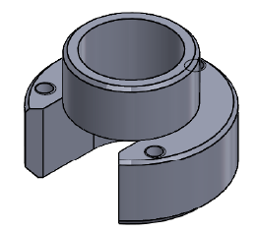
 | Auto Assy Steering Stem | OP#1 (PressFit) | EQ | EQ4 | Insert Stopper |  | TXMACH-ASAU01EQ04 | 1 | N/A | 2025-10-09 | 0 | ..\01. Design\001. Auto Assy Steering Stem\A - OP 1 ( Press Fit )\3. PDF\REV-TXMACH-ASAU01EQ04_INSERT STOPPER_EQ ASSY STEERING STEM AUTO_OP1.PDF | Y:\16. Jig Fixture & Process Equipment\01. Design\001. Auto Assy Steering Stem\A - OP 1 ( Press Fit )\1. 3D Model\PROCESS EQUIPMENT\INSERT STOPPER PRESS.SLDPRT | 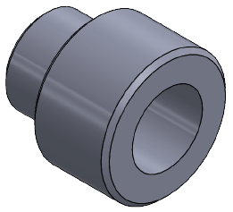
2 | Auto Assy Steering Stem | Robot Nachi | EQ | 00 | Full Assy |  | TXMACH-ASAUGR0000 | N/A | N/A | 25/09/25 | 1 | ..\01. Design\001. Auto Assy Steering Stem\G - Robot Nachi\3. PDF\REV-TXMACH-ASAUGR0000 GRIPPER LINE AUTO ASSY STEERING STEM NEW.PDF | ..\01. Design\001. Auto Assy Steering Stem\G - Robot Nachi\1. 3D Model\FULL ASSY | 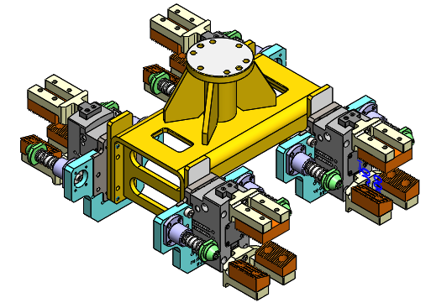
 | Auto Assy Steering Stem | Robot Nachi | EQ | N/A | Dowel Pin |  | Ø6X16 | 8 | N/A | 25/09/26 | 1 | N/A | N/A | N/A
 | Auto Assy Steering Stem | Robot Nachi | EQ | N/A | Hex Socket Head Bolt |  | M6X20 | 16 | N/A | 25/09/27 | 1 | N/A | N/A | N/A
 | Auto Assy Steering Stem | Robot Nachi | EQ | 01 | Sub Assy Gripper |  | TXMACH-ASAUGR0100 | 4set | N/A | 25/09/28 | 1 | ..\01. Design\001. Auto Assy Steering Stem\G - Robot Nachi\3. PDF\REV-TXMACH-ASAUGR0000 GRIPPER LINE AUTO ASSY STEERING STEM NEW.PDF | ..\01. Design\001. Auto Assy Steering Stem\G - Robot Nachi\1. 3D Model\SUB ASSY GRIPPER | 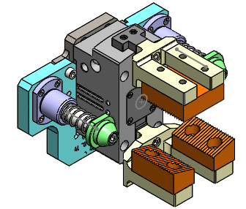
 | Auto Assy Steering Stem | Robot Nachi | EQ | 1A | Base Gripper K1AL/KZLG |  | TXMACH-ASAUGR011A | 1/set | N/A | 25/09/29 | 1 | ..\01. Design\001. Auto Assy Steering Stem\G - Robot Nachi\3. PDF\REV-TXMACH-ASAUGR0000 GRIPPER LINE AUTO ASSY STEERING STEM NEW.PDF | ..\01. Design\001. Auto Assy Steering Stem\G - Robot Nachi\1. 3D Model\OTHER PART | 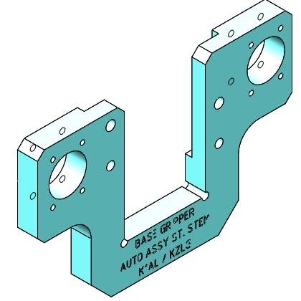
 | Auto Assy Steering Stem | Robot Nachi | EQ | 1B | Base Gripper K1ALSS/K2FA |  | TXMACH-ASAUGR011B | 1/set | N/A | 25/09/30 | 1 | ..\01. Design\001. Auto Assy Steering Stem\G - Robot Nachi\3. PDF\REV-TXMACH-ASAUGR0000 GRIPPER LINE AUTO ASSY STEERING STEM NEW.PDF | ..\01. Design\001. Auto Assy Steering Stem\G - Robot Nachi\1. 3D Model\OTHER PART | 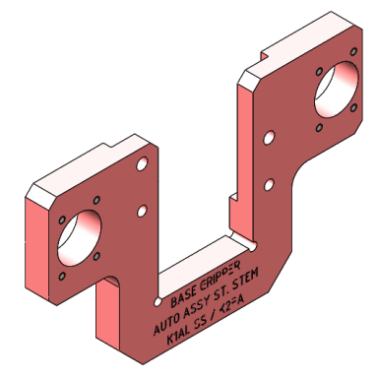
 | Auto Assy Steering Stem | Robot Nachi | EQ | 1C | Base Gripper K2SA |  | TXMACH-ASAUGR011C | 1/set | N/A | 25/09/31 | 1 | ..\01. Design\001. Auto Assy Steering Stem\G - Robot Nachi\3. PDF\REV-TXMACH-ASAUGR0000 GRIPPER LINE AUTO ASSY STEERING STEM NEW.PDF | ..\01. Design\001. Auto Assy Steering Stem\G - Robot Nachi\1. 3D Model\OTHER PART | 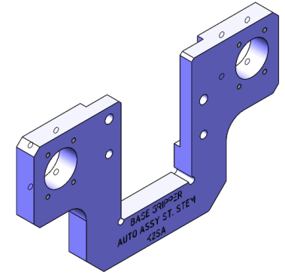
 | Auto Assy Steering Stem | Robot Nachi | EQ | 2 | HGPT50 Plate |  | TXMACH-ASAUGR0102 | 1/set | N/A | 25/09/32 | 1 | ..\01. Design\001. Auto Assy Steering Stem\G - Robot Nachi\3. PDF\REV-TXMACH-ASAUGR0000 GRIPPER LINE AUTO ASSY STEERING STEM NEW.PDF | ..\01. Design\001. Auto Assy Steering Stem\G - Robot Nachi\1. 3D Model\OTHER PART | 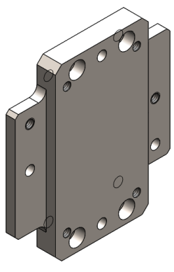
 | Auto Assy Steering Stem | Robot Nachi | EQ | 3 | Top Finger |  | TXMACH-ASAUGR0103 | 1/set | N/A | 25/09/33 | 1 | ..\01. Design\001. Auto Assy Steering Stem\G - Robot Nachi\3. PDF\REV-TXMACH-ASAUGR0000 GRIPPER LINE AUTO ASSY STEERING STEM NEW.PDF | ..\01. Design\001. Auto Assy Steering Stem\G - Robot Nachi\1. 3D Model\OTHER PART | 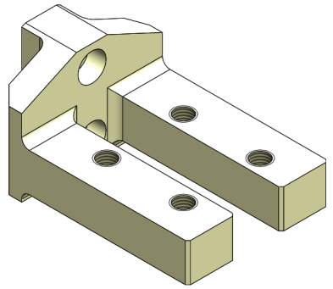
 | Auto Assy Steering Stem | Robot Nachi | EQ | 4 | Bottom Finger |  | TXMACH-ASAUGR0104 | 1/set | N/A | 25/09/34 | 1 | ..\01. Design\001. Auto Assy Steering Stem\G - Robot Nachi\3. PDF\REV-TXMACH-ASAUGR0000 GRIPPER LINE AUTO ASSY STEERING STEM NEW.PDF | ..\01. Design\001. Auto Assy Steering Stem\G - Robot Nachi\1. 3D Model\OTHER PART | 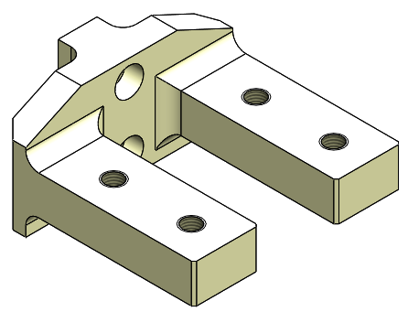
 | Auto Assy Steering Stem | Robot Nachi | EQ | 5 | Top Pad |  | TXMACH-ASAUGR0105 | 1/set | N/A | 25/09/35 | 1 | ..\01. Design\001. Auto Assy Steering Stem\G - Robot Nachi\3. PDF\REV-TXMACH-ASAUGR0000 GRIPPER LINE AUTO ASSY STEERING STEM NEW.PDF | ..\01. Design\001. Auto Assy Steering Stem\G - Robot Nachi\1. 3D Model\OTHER PART | 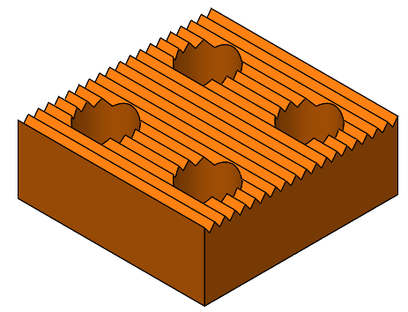
 | Auto Assy Steering Stem | Robot Nachi | EQ | 6 | Bottom Pad |  | TXMACH-ASAUGR0106 | 1/set | N/A | 25/09/36 | 1 | ..\01. Design\001. Auto Assy Steering Stem\G - Robot Nachi\3. PDF\REV-TXMACH-ASAUGR0000 GRIPPER LINE AUTO ASSY STEERING STEM NEW.PDF | ..\01. Design\001. Auto Assy Steering Stem\G - Robot Nachi\1. 3D Model\OTHER PART | 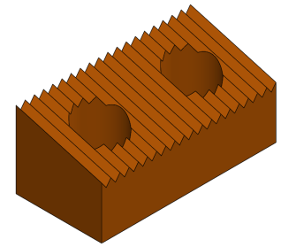
 | Auto Assy Steering Stem | Robot Nachi | EQ | 7 | Guide Support |  | TXMACH-ASAUGR0107 | 2/set | N/A | 25/09/37 | 1 | ..\01. Design\001. Auto Assy Steering Stem\G - Robot Nachi\3. PDF\REV-TXMACH-ASAUGR0000 GRIPPER LINE AUTO ASSY STEERING STEM NEW.PDF | ..\01. Design\001. Auto Assy Steering Stem\G - Robot Nachi\1. 3D Model\OTHER PART | 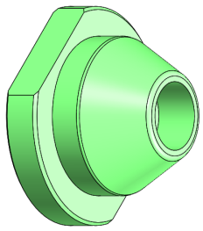
 | Auto Assy Steering Stem | Robot Nachi | EQ | 8 | Guide Shaft |  | TXMACH-ASAUGR0108 | 2/set | N/A | 25/09/38 | 1 | ..\01. Design\001. Auto Assy Steering Stem\G - Robot Nachi\3. PDF\REV-TXMACH-ASAUGR0000 GRIPPER LINE AUTO ASSY STEERING STEM NEW.PDF | ..\01. Design\001. Auto Assy Steering Stem\G - Robot Nachi\1. 3D Model\OTHER PART | 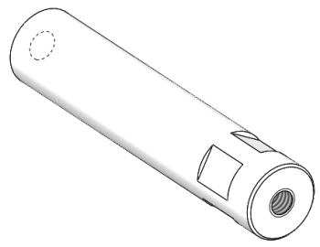
 | Auto Assy Steering Stem | Robot Nachi | EQ | 9 | Wire Spring |  | WL20-40 (MISUMI) | 2/set | N/A | 25/09/39 | 1 | N/A | N/A | N/A
 | Auto Assy Steering Stem | Robot Nachi | EQ | 10 | Flange Linear Ball Bearing |  | LHIFC16 (MISUMI) | 2/set | N/A | 25/09/40 | 1 | N/A | N/A | N/A
 | Auto Assy Steering Stem | Robot Nachi | EQ | 11 | Parallel Gripper |  | HGPT50 (FESTO) | 1/set | N/A | 25/09/41 | 1 | N/A | N/A | N/A
 | Auto Assy Steering Stem | Robot Nachi | EQ | 12 | Hex Socket Head Bolt |  | M8X16 | 8/set | N/A | 25/09/42 | 1 | N/A | N/A | N/A
 | Auto Assy Steering Stem | Robot Nachi | EQ | 13 | Hex Socket Head Bolt |  | M6X50 | 4/set | N/A | 25/09/43 | 1 | N/A | N/A | N/A
 | Auto Assy Steering Stem | Robot Nachi | EQ | 14 | Hex Socket Head Bolt |  | M6X20 | 8/set | N/A | 25/09/44 | 1 | N/A | N/A | N/A
 | Auto Assy Steering Stem | Robot Nachi | EQ | 15 | Hex Socket Head Bolt |  | M6X16 | 2/set | N/A | 25/09/45 | 1 | N/A | N/A | N/A
 | Auto Assy Steering Stem | Robot Nachi | EQ | 16 | Hex Socket Head Bolt |  | M4X16 | 8/set | N/A | 25/09/46 | 1 | N/A | N/A | N/A
 | Auto Assy Steering Stem | Robot Nachi | EQ | 17 | Dowel Pin |  | Ø6X16 | 2/set | N/A | 25/09/47 | 1 | N/A | N/A | N/A
 | Auto Assy Steering Stem | Robot Nachi | EQ | 18 | Washer Xlarge |  | Ø22xØ6.6 X 2 | 2/set | N/A | 25/09/48 | 1 | N/A | N/A | N/A
 | Auto Assy Steering Stem | OP#2 (Welding) | JF | 0 | Datum Jig Welding |  | TXMACH-ASAU020000 | 9/set | N/A | 25/11/25 | 1 | ..\01. Design\001. Auto Assy Steering Stem\B - OP 2 ( Welding )\3. PDF\Rev - Datum Jig OP#2 Welding Line Auto Assy Steering Stem.PDF | ..\01. Design\001. Auto Assy Steering Stem\B - OP 2 ( Welding )\1. 3D Model | 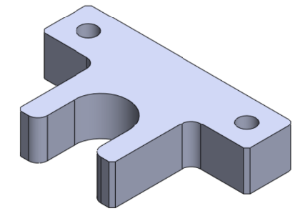
3 | Auto Assy Steering Stem | Instocker - Outstocker - Gantry | EQ | N/A | Sub Assy Frame Holder : |  | TXMACH-ASAUIN0100 | N/A | N/A | 18/09/25 | 0 | ..\01. Design\001. Auto Assy Steering Stem\F - Instocker - Outstocker - Gantry\3. PDF\REV-TXMACH-ASAUIN0100 ASSY FRAME HOLDER.PDF | ..\01. Design\001. Auto Assy Steering Stem\F - Instocker - Outstocker - Gantry\1. 3D Model\ASSY FRAME HOLDER INSTOCKER | 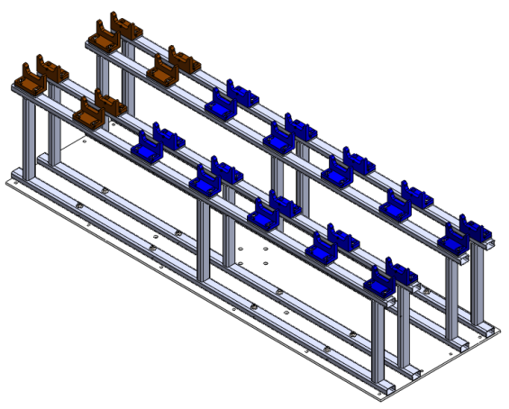
 | Auto Assy Steering Stem | Instocker - Outstocker - Gantry | EQ | 1 | V - Block A |  | TXMACH-ASAUIN0101 | 1 | N/A | 18/09/26 | 0 | ..\01. Design\001. Auto Assy Steering Stem\F - Instocker - Outstocker - Gantry\3. PDF\REV-TXMACH-ASAUIN0100 ASSY FRAME HOLDER.PDF | ..\01. Design\001. Auto Assy Steering Stem\F - Instocker - Outstocker - Gantry\1. 3D Model\ASSY FRAME HOLDER INSTOCKER | 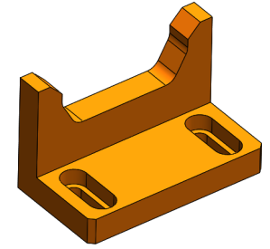
 | Auto Assy Steering Stem | Instocker - Outstocker - Gantry | EQ | 2 | V - Block B |  | TXMACH-ASAUIN0102 | 28 | N/A | 18/09/27 | 0 | ..\01. Design\001. Auto Assy Steering Stem\F - Instocker - Outstocker - Gantry\3. PDF\REV-TXMACH-ASAUIN0100 ASSY FRAME HOLDER.PDF | ..\01. Design\001. Auto Assy Steering Stem\F - Instocker - Outstocker - Gantry\1. 3D Model\ASSY FRAME HOLDER INSTOCKER | 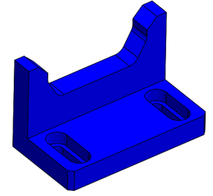
 | Auto Assy Steering Stem | Instocker - Outstocker - Gantry | EQ | 3 | Base V-Block |  | TXMACH-ASAUIN0103 | 28 | N/A | 18/09/28 | 0 | ..\01. Design\001. Auto Assy Steering Stem\F - Instocker - Outstocker - Gantry\3. PDF\REV-TXMACH-ASAUIN0100 ASSY FRAME HOLDER.PDF | ..\01. Design\001. Auto Assy Steering Stem\F - Instocker - Outstocker - Gantry\1. 3D Model\ASSY FRAME HOLDER INSTOCKER | 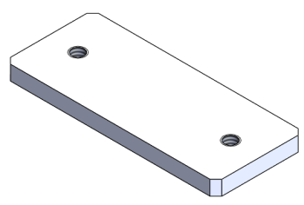
 | Auto Assy Steering Stem | Instocker - Outstocker - Gantry | EQ | 4 | Top Frame |  | HOLLOW 20X30X1290 | 4 | N/A | 18/09/29 | 0 | ..\01. Design\001. Auto Assy Steering Stem\F - Instocker - Outstocker - Gantry\3. PDF\REV-TXMACH-ASAUIN0100 ASSY FRAME HOLDER.PDF | ..\01. Design\001. Auto Assy Steering Stem\F - Instocker - Outstocker - Gantry\1. 3D Model\ASSY FRAME HOLDER INSTOCKER | 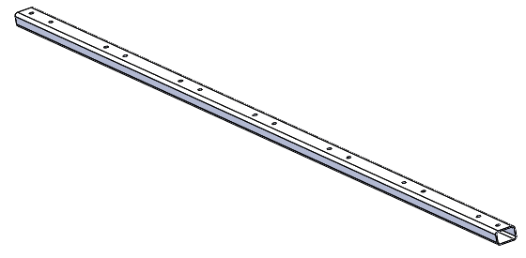
 | Auto Assy Steering Stem | Instocker - Outstocker - Gantry | EQ | 5 | Bottom Frame |  | HOLLOW 20X30X1290 | 28 | N/A | 18/09/30 | 0 | ..\01. Design\001. Auto Assy Steering Stem\F - Instocker - Outstocker - Gantry\3. PDF\REV-TXMACH-ASAUIN0100 ASSY FRAME HOLDER.PDF | ..\01. Design\001. Auto Assy Steering Stem\F - Instocker - Outstocker - Gantry\1. 3D Model\ASSY FRAME HOLDER INSTOCKER
 | Auto Assy Steering Stem | Instocker - Outstocker - Gantry | EQ | 6 | Baut Inbus |  | M6X30 | 16 | N/A | 18/09/31 | 0 | N/A | N/A | N/A
 | Auto Assy Steering Stem | Instocker - Outstocker - Gantry | EQ | 7 | Support Holder |  | M5X12 | 56 | N/A | 18/09/32 | 0 | N/A | N/A | N/A
 | Auto Assy Steering Stem | Instocker - Outstocker - Gantry | EQ | 8 | Washer |  | WASHER M6 | 16 | N/A | 18/09/33 | 0 | N/A | N/A | N/A
 | Auto Assy Steering Stem | Instocker - Outstocker - Gantry | EQ | N/A | Sub Assy Gripper Gantry : |  | TXMACH-ASAUIN0200 | N/A | N/A | 19/11/25 | 0 | ..\01. Design\001. Auto Assy Steering Stem\F - Instocker - Outstocker - Gantry\3. PDF\TXMACH-ASAUIN0200 GRIPPER GANTRY HGPT50.PDF | ..\01. Design\001. Auto Assy Steering Stem\F - Instocker - Outstocker - Gantry\1. 3D Model\ASSY GRIPPER | 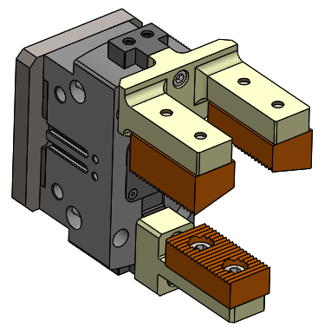
 | Auto Assy Steering Stem | Instocker - Outstocker - Gantry | EQ | 1 | Base HGPT50 |  | TXMACH-ASAUIN0201 | 1 | N/A | 19/11/26 | 0 | ..\01. Design\001. Auto Assy Steering Stem\F - Instocker - Outstocker - Gantry\3. PDF\TXMACH-ASAUIN0200 GRIPPER GANTRY HGPT50.PDF | ..\01. Design\001. Auto Assy Steering Stem\F - Instocker - Outstocker - Gantry\1. 3D Model\ASSY GRIPPER | 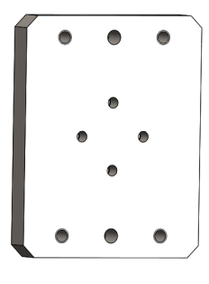
 | Auto Assy Steering Stem | Instocker - Outstocker - Gantry | EQ | 2 | Double Finger |  | TXMACH-ASAUIN0202 | 1 | N/A | 19/11/27 | 0 | ..\01. Design\001. Auto Assy Steering Stem\F - Instocker - Outstocker - Gantry\3. PDF\TXMACH-ASAUIN0200 GRIPPER GANTRY HGPT50.PDF | ..\01. Design\001. Auto Assy Steering Stem\F - Instocker - Outstocker - Gantry\1. 3D Model\ASSY GRIPPER | 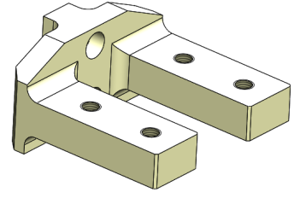
 | Auto Assy Steering Stem | Instocker - Outstocker - Gantry | EQ | 3 | Single Finger |  | TXMACH-ASAUIN0203 | 1 | N/A | 19/11/28 | 0 | ..\01. Design\001. Auto Assy Steering Stem\F - Instocker - Outstocker - Gantry\3. PDF\TXMACH-ASAUIN0200 GRIPPER GANTRY HGPT50.PDF | ..\01. Design\001. Auto Assy Steering Stem\F - Instocker - Outstocker - Gantry\1. 3D Model\ASSY GRIPPER | 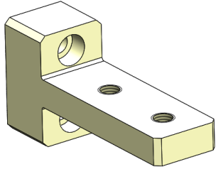
 | Auto Assy Steering Stem | Instocker - Outstocker - Gantry | EQ | 4 | Double Pad |  | TXMACH-ASAUIN0204 | 2 | N/A | 19/11/29 | 0 | ..\01. Design\001. Auto Assy Steering Stem\F - Instocker - Outstocker - Gantry\3. PDF\TXMACH-ASAUIN0200 GRIPPER GANTRY HGPT50.PDF | ..\01. Design\001. Auto Assy Steering Stem\F - Instocker - Outstocker - Gantry\1. 3D Model\ASSY GRIPPER
 | Auto Assy Steering Stem | Instocker - Outstocker - Gantry | EQ | 5 | Single Pad |  | TXMACH-ASAUIN0205 | 1 | N/A | 19/11/30 | 0 | ..\01. Design\001. Auto Assy Steering Stem\F - Instocker - Outstocker - Gantry\3. PDF\TXMACH-ASAUIN0200 GRIPPER GANTRY HGPT50.PDF | ..\01. Design\001. Auto Assy Steering Stem\F - Instocker - Outstocker - Gantry\1. 3D Model\ASSY GRIPPER
 | Auto Assy Steering Stem | Instocker - Outstocker - Gantry | EQ | 6 | Parallel Cylinder Gripper |  | HGPT50 (FESTO) | 1 | N/A | 19/11/31 | 0 | N/A | N/A | N/A
 | Auto Assy Steering Stem | Instocker - Outstocker - Gantry | EQ | 7 | Hex Socket Head Bolt |  | M8X16 | 8 | N/A | 19/11/32 | 0 | N/A | N/A | N/A
 | Auto Assy Steering Stem | Instocker - Outstocker - Gantry | EQ | 8 | Hex Socket Head Bolt |  | M6X50 | 4 | N/A | 19/11/33 | 0 | N/A | N/A | N/A
 | Auto Assy Steering Stem | Instocker - Outstocker - Gantry | EQ | 9 | Hex Socket Head Bolt |  | M6X20 | 4 | N/A | 19/11/34 | 0 | N/A | N/A | N/A
 | Auto Assy Steering Stem | Instocker - Outstocker - Gantry | EQ | 10 | Dowel Pin |  | Ø6X16 | 2 | N/A | 19/11/35 | 0 | N/A | N/A | N/A
 | Auto Assy Steering Stem | OP#4 (Assy Cone Race) | JF | 0 | Jig Assy Cone Race |  | TXMACH-ASAU040000 | 1 | N/A | 28/08/25 | 0 | ..\01. Design\001. Auto Assy Steering Stem\D - OP 4 ( Assy Cone Race )\3. PDF\Assy JIG Conrace Auto rev 2.pdf | ..\01. Design\001. Auto Assy Steering Stem\D - OP 4 ( Assy Cone Race )\3. PDF\Assy JIG Conrace Auto rev 2.pdf | 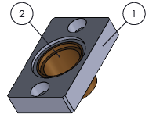
 | Manual Assy Steering Stem | OP#1 (Press Fit) | JF | 0 | Jig Assy Pressfit Manual |  | TXMACH-ASMA010000 | 1set | N/A | 2025-09-09 | 0 | ..\01. Design\002. Manual Assy Steering Stem\A - OP 1 ( Press Fit )\3. PDF\DRAWING JIG PRESS FIT.pdf | ..\01. Design\002. Manual Assy Steering Stem\A - OP 1 ( Press Fit )\3. PDF\DRAWING JIG PRESS FIT.pdf | 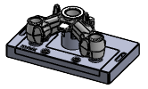
 | Manual Assy Steering Stem | OP#4 (Assy Cone Race) | JF | 0 | Jig Assy Cone Race |  | TXMACHASMA040000 | 1set | N/A | 28/08/25 | 0 | ..\01. Design\002. Manual Assy Steering Stem\D - OP 4 ( Assy Cone Race )\3. PDF\Assy JIG Conerace manual.pdf | ..\01. Design\002. Manual Assy Steering Stem\D - OP 4 ( Assy Cone Race )\3. PDF\Assy JIG Conerace manual.pdf
4 | 2CF - 2MD | Checking Bolt | JF | N/A | Jig Positioning |  | TXMACH-HFHPMCEK01 | 1 | N/A | 15/09/25 | 0 | ..\01. Design\008. 2CF - 2MD\A - Check Positioning\3. PDF\TXMACH-HFHPMCEK01 JIG POSITIONING 2CF - 2MD.PDF | ..\01. Design\008. 2CF - 2MD\A - Check Positioning\1. 3D Model | 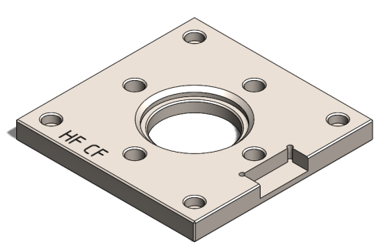
5 | D14 | Checking Bolt | JF | N/A | Jig Positioning |  | TXMACH-HFDAICEK01 | 1 | N/A | 15/09/25 | 0 | ..\01. Design\009. D14\A - Check Positioning\3. PDF\TXMACH-HFDAICEK01 JIG POSITIONING D14.PDF | ..\01. Design\009. D14\A - Check Positioning\1. 3D Model | 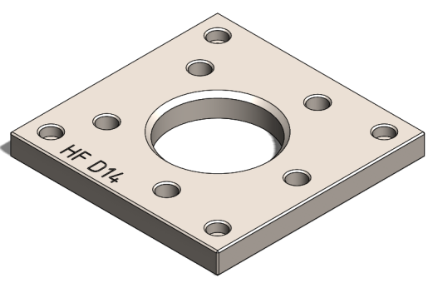
6 | D40 | Checking Bolt | JF | N/A | Jig Positioning |  | TXMACH-HFDAICEK02 | 1 | N/A | 15/09/25 | 0 | ..\01. Design\011. D40\A - Check Positioning\3. PDF\TXMACH-HFDAICEK02 JIG POSITIONING D40.PDF | ..\01. Design\011. D40\A - Check Positioning\1. 3D Model\TXMACH-HFDAICEK02 JIG POSITIONING D40.SLDPRT | 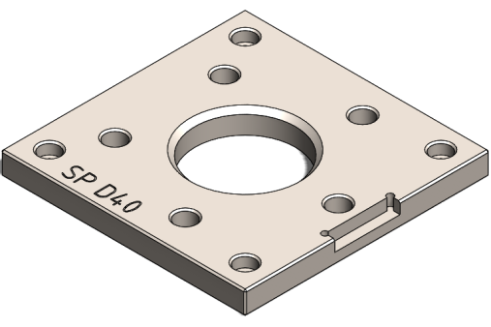
7 | T86 | Checking Bolt | JF | N/A | Jig Positioning |  | TXMACH-HFHPMCEK02 | 1 | N/A | 15/09/25 | 0 | ..\01. Design\013. T86\A - Check Positioning\3. PDF\TXMACH-HFHPMCEK02 JIG POSITIONING T86.PDF | ..\01. Design\013. T86\A - Check Positioning\1. 3D Model | 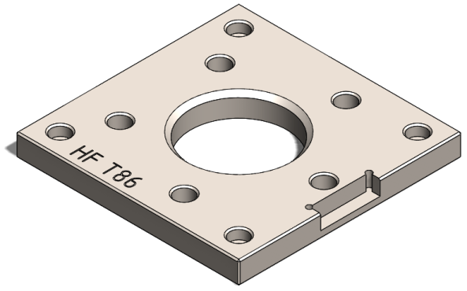
8 | D38-Hub Clutch | Broaching | JF | N/A | Base Datum |  | TXMACH-HC38030000 | 1 | N/A | 24/09/25 | 0 | ..\01. Design\010. D38 Hub Clutch\C - OP#3 (Broaching)\3. PDF\TXMACH-HC38030000 JIG BROACHING HUB CLUTCH D38.PDF | ..\01. Design\010. D38 Hub Clutch\C - OP#3 (Broaching)\1. 3D Model | 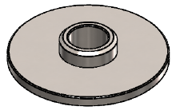
9 | D80-Hub Front | OP#2 | EQ | N/A | Draw Bar |  | TXMACH-HF8002EQ01 | 1 | N/A | 24/09/25 | 0 | ..\01. Design\012. D80 Hub Front\B - OP#2\PROCESS EQUIPMENT\3. PDF\(NEW) TXMACH-HF8002EQ01 DRAW BAR OKUMA HJ 250.PDF | ..\01. Design\012. D80 Hub Front\B - OP#2\PROCESS EQUIPMENT\1. 3D Model
 |  |  | EQ | N/A | Ring Draw Bar |  | TXMACH-HF8002EQ02 | 1 | N/A | 24/09/25 | 0
10 | UB Robot 5 | OP#2 , OP#3 | EQ | N/A | Spacer Internal Clamp |  | TXMACH-UBR523E100 | 8 | N/A | 28/09/25 | 0 |  |  | 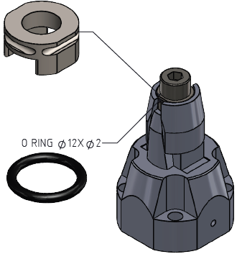
11 | UB 6-7 | OP#4 | EQ | N/A | Spacer Cutter Slitting: |  | N/A | N/A | N/A | 2025-01-10 | 0 |  |  | 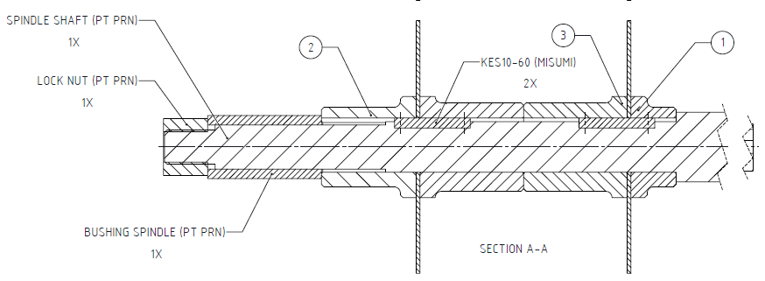
 |  |  |  | 1 | Spacer A |  | TXMACH-UB6704E101 | 1 | N/A | 2025-01-10 | 0
 |  |  |  | 2 | Spacer B |  | TXMACH-UB6704E102 | 1 | N/A | 2025-01-10 | 0
 |  |  |  | 3 | Spacer C |  | TXMACH-UB6704E103 | 2 | N/A | 2025-01-10 | 0
12 | UB Robot 1-4 | OP#1 | JF | N/A | Datum A |  | Belum ada No. Reg | 2 | 13/04/2016 | 27/10/25 | 1 |  |  | 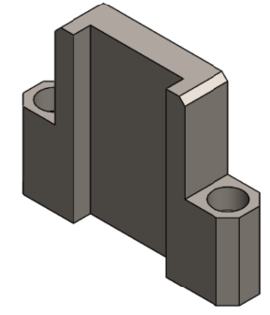
 |  |  |  | N/A | Datum B |  | Belum ada No. Reg | 4 | 22/12/2018 | 27/10/25 | 2 |  |  | 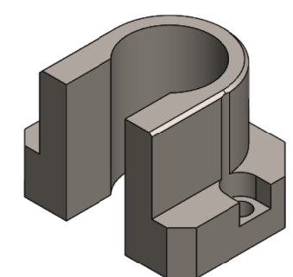
 |  |  |  | N/A | Guide Plate A |  | Belum ada No. Reg | 2 | 13/04/2016 | 27/10/25 | 1 |  |  | 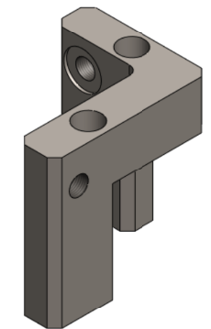
 |  |  |  | N/A | Guide Plate B |  | Belum ada No. Reg | 2 | 13/04/2016 | 27/10/25 | 1 |  |  | 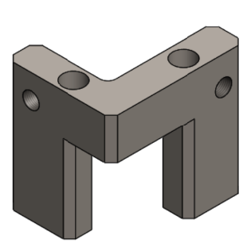
 |  |  |  | N/A | Spacer Center Cylinder |  | Belum ada No. Reg | 1 | 13/04/2016 | 27/10/25 | 1 |  |  | 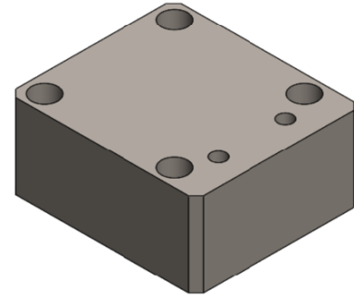
 |  |  |  | N/A | Spacer Side Cylunder |  | Belum ada No. Reg | 2 | 13/04/2016 | 27/10/25 | 1 |  |  | 